Foglio1
FOTO | BRAND | ARTICOLO | COLORE | PREZZO | 35 | 36 | 37 | 37/2 | 38 | 38/2 | 39 | 39/2 | 40 | 41 | QUANTITà TOT | RETAIL PRICE | WHS
 | TWIN SET | CS8PE1 | NERO |  |  | 3 | 5 |  | 6 |  | 4 |  | 1 | 2 | 21 | € 320.00 | € 133.33
 | TWIN SET | CS8PJS | BLUE |  | 2 |  | 8 |  | 7 |  | 6 |  | 5 | 2 | 30 | € 194.00 | € 80.83
 | TWIN SET | CS8TFW | ORO FREE |  |  | 3 | 6 |  | 6 |  | 5 |  | 2 | 1 | 23 | € 199.00 | € 82.92
 | TWIN SET | CS8PM7 | BLUE SCURO |  | 1 | 2 | 5 |  |  |  | 1 |  | 3 | 1 | 13 | € 209.00 | € 87.08
 | TWIN SET | CS8PNC | BIANCO OTTICO |  | 4 | 2 | 9 |  | 4 |  | 1 |  | 1 |  | 21 | € 189.00 | € 78.75
 | TWIN SET | CS8PJJ | TURCHESE |  | 1 | 1 | 5 |  | 3 |  | 8 |  |  | 2 | 20 | € 189.00 | € 78.75
 | TWIN SET | CS8TFE | TURCHESE |  | 1 |  | 2 |  | 5 |  | 4 |  | 1 | 1 | 14 | € 189.00 | € 78.75
 | TWIN SET | CS8TFA | MAGENTA |  | 1 |  | 3 |  | 5 |  | 3 |  | 1 | 1 | 14 | € 189.00 | € 78.75
 | TWIN SET | CS8TFN | BIANCO OTTICO/ROSSO |  | 1 | 2 | 6 |  | 6 |  | 6 |  | 2 | 1 | 24 | € 189.00 | € 78.75
 | TWIN SET | CS8TFJ | BIANCO OTTICO |  | 4 | 9 | 13 |  | 5 |  | 10 |  |  |  | 41 | € 194.00 | € 80.83
 | TWIN SET | CS8TFA | TURCHESE |  | 1 | 3 | 6 |  | 6 |  | 4 |  | 2 | 1 | 23 | € 189.00 | € 78.75
 | TWIN SET | CS8PJ7 | BIANCO OTTICO |  | 2 | 5 | 25 |  | 29 |  | 20 |  | 5 | 9 | 95 | € 189.00 | € 78.75
 | TWIN SET | CS8PMN | NERO |  |  | 2 | 2 |  | 3 |  | 3 |  | 2 | 1 | 13 | € 339.00 | € 141.25
 | TWIN SET | CS8PJJ | ORTENSIA |  | 1 | 2 | 9 |  | 3 |  | 2 |  |  | 2 | 19 | € 189.00 | € 78.75
 | TWIN SET | CS8PDC | NERO |  | 1 | 1 | 7 |  | 12 |  | 11 |  | 2 | 2 | 36 | € 329.00 | € 137.08
 | TWIN SET | CS8PDA | NERO |  | 1 | 4 | 7 |  | 7 |  | 6 |  | 3 | 1 | 29 | € 325.00 | € 135.42
 | TWIN SET | CS8TFA | BIANCO |  | 1 | 1 | 3 |  | 4 |  |  |  | 1 |  | 10 | € 189.00 | € 78.75
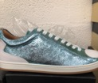 | TWIN SET | CS8TFN | AZZURRO CIELO |  | 1 | 1 | 6 |  | 7 |  | 6 |  | 2 | 1 | 24 | € 189.00 | € 78.75
 | TWIN SET | CS8PJE | TURCHESE |  | 6 | 12 | 30 |  | 40 |  | 25 |  | 8 | 2 | 123 | € 199.00 | € 82.92
 | TWIN SET | CS8PJC | ORTENSIA |  | 1 | 2 | 7 |  | 6 |  | 5 |  | 1 | 1 | 23 | € 189.00 | € 78.75
 | TWIN SET | CS8PJJ | ARANCIO |  | 1 | 2 | 8 |  | 3 |  | 5 |  | 1 | 1 | 21 | € 189.00 | € 78.75
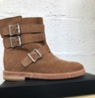 | TWIN SET | CS8PDC | ECRU |  |  | 3 | 6 |  | 2 |  |  |  | 1 | 2 | 14 | € 319.00 | € 132.92
 | TWIN SET | CS8PJE | PLATINO |  | 5 | 6 | 6 |  | 18 |  | 4 |  | 5 | 8 | 37 | € 199.00 | € 82.92
 | TWIN SET | CS8PNA | ECRU |  | 1 | 4 |  |  | 5 |  | 4 |  |  | 1 | 15 | € 189.00 | € 78.75
 | TWIN SET | CS8PM5 | BIANCO OTTICO/TURCHESE |  |  | 2 | 2 |  | 5 |  | 2 |  | 1 | 1 | 13 | € 189.00 | € 78.75
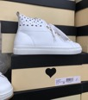 | TWIN SET | CS8TFU | BIANCO OTTICO |  | 7 | 3 | 34 |  | 28 |  | 20 |  | 7 | 7 | 106 | € 195.00 | € 81.25
 | TWIN SET | CS8TEC | ORO FREE |  | 1 | 2 | 2 |  | 2 |  | 2 |  | 1 | 1 | 12 | € 219.00 | € 91.25
 | TWIN SET | CS8TAN | DUNE CHIARO |  |  |  | 24 |  | 19 |  | 16 |  | 1 | 6 | 66 | € 189.00 | € 78.75
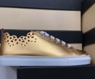 | TWIN SET | CS8TF1 | ORO FREE |  | 7 | 23 | 39 |  | 40 |  | 21 |  | 14 | 11 | 155 | € 194.00 | € 80.83
 | TWIN SET | CS8PHN | BLUE SCURO |  | 4 | 8 | 30 |  | 26 |  | 30 |  | 18 | 14 | 130 | € 179.00 | € 74.58
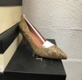 | TWIN SET | CA5PBU | ORO FREE |  |  | 5 |  |  |  |  |  |  |  |  | 5 | € 209.00 | € 87.08
 | TWIN SET | CS8PGA | PISTACCHIO |  |  |  | 2 |  | 2 |  | 1 |  |  | 1 | 6 | € 249.00 | € 103.75
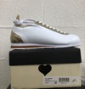 | TWIN SET | CS8PHW | BIANCO OTTICO |  | 6 | 29 | 37 |  | 50 |  | 40 | 5 | 24 | 27 | 218 | € 179.00 | € 74.58
 | TWIN SET | CS8PJY | BIANCO OTTICO |  | 3 | 7 | 25 |  | 20 |  | 20 |  | 5 | 9 | 89 | € 194.00 | € 80.83
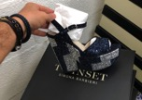 | TWIN SET | CS8PL1 | BLUE/ARGENTO |  | 1 | 2 | 2 | 1 | 2 |  | 2 |  | 1 | 1 | 10 | € 299.00 | € 124.58
 | TWIN SET | CS8PLA | NERO |  | 4 | 6 | 16 |  | 11 |  | 18 |  | 10 | 6 | 71 | € 239.00 | € 99.58
 | TWIN SET | CS8TAW | CUOIO |  | 1 | 8 | 20 |  | 23 |  | 7 |  | 7 | 1 | 67 | € 319.00 | € 132.92
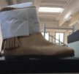 | TWIN SET | CS8TAW | DUNE CHIARO |  |  | 6 | 11 |  | 14 |  | 8 |  | 4 |  | 43 | € 319.00 | € 132.92
 | TWIN SET | CS8TAW | NERO |  | 3 | 19 | 37 |  | 51 |  | 17 |  | 13 | 4 | 144 | € 319.00 | € 132.92
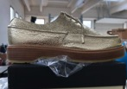 | TWIN SET | CS8PBG | PLATINO |  | 1 | 2 | 3 |  | 3 |  | 3 |  | 2 | 1 | 15 | € 229.00 | € 95.42
 | TWIN SET | CS8PGA | TURCHESE |  | 1 | 7 | 11 |  | 8 |  | 12 |  | 5 | 2 | 46 | € 249.00 | € 103.75
 | TWIN SET | CS8PHA | PLATINO |  | 3 | 4 | 20 |  | 15 | 1 | 15 |  | 5 | 5 | 68 | € 229.00 | € 95.42
 | TWIN SET | CS8PLC | PLATINO |  |  | 5 | 18 |  | 12 |  | 10 |  | 4 | 6 | 55 | € 249.00 | € 103.75
 | TWIN SET | CS8PMN | NERO |  | 1 | 1 | 4 |  | 11 | 1 | 3 |  | 6 | 1 | 28 | € 289.00 | € 120.42
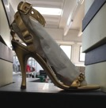 | TWIN SET | CS8TAE | PLATINO |  | 1 | 2 | 10 |  | 8 | 6 | 2 |  | 5 | 3 | 37 | € 229.00 | € 95.42
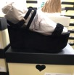 | TWIN SET | CS8TCY | NERO |  |  | 1 | 2 |  | 2 |  |  |  | 1 | 1 | 7 | € 269.00 | € 112.08
 | TWIN SET | CS8TAE | NERO |  | 1 |  |  |  |  |  | 1 |  |  |  | 2 | € 249.00 | € 103.75
 | TWIN SET | CS8TCN | PLATINO |  | 1 |  |  |  | 3 |  | 1 |  |  | 1 | 6 | € 249.00 | € 103.75
 |  | CS8PL3 | CAVALLINO |  | 1 | 1 | 2 |  | 1 |  | 3 |  | 1 | 1 | 10 | € 289.00 | € 120.42
 |  | CS8TCA | CUOIO |  | 1 | 1 | 4 |  | 2 |  | 2 |  |  | 1 | 11 | € 239.00 | € 99.58
 |  | CS8TBG | ORO FREE |  | 2 | 1 | 4 |  | 6 | 1 | 4 |  | 2 | 2 | 22 | € 239.00 | € 99.58
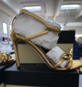 |  | CS8TDG | PLATINO |  | 2 | 1 | 3 | 1 | 3 |  | 3 |  |  | 6 | 19 | € 229.00 | € 95.42
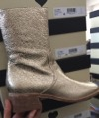 |  | CS8PA3 | PLATINO |  | 1 | 1 | 2 | 1 | 2 | 1 | 3 |  | 2 | 2 | 15 | € 319.00 | € 132.92
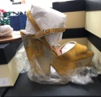 |  | CS8TB3 | ORO FREE |  | 2 | 2 | 4 |  | 3 |  | 1 |  | 1 |  | 13 | € 299.00 | € 124.58
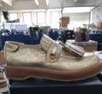 |  | CS8PBL | PLATINO |  | 1 |  | 3 |  | 3 |  | 2 |  | 2 | 1 | 12 | € 229.00 | € 95.42
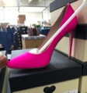 |  | CS8PD1 | ORTENSIA |  | 2 | 3 | 8 |  | 2 | 1 | 5 |  | 3 | 2 | 26 | € 249.00 | € 103.75
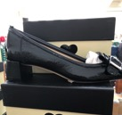 |  | CS8PBS | NERO |  | 2 | 2 | 7 |  | 5 |  | 5 |  | 4 | 1 | 26 | € 219.00 | € 91.25
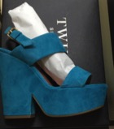 |  | CS8TCC | GENZIANO |  |  | 1 |  |  | 1 |  |  |  |  |  | 2 | € 249.00 | € 103.75
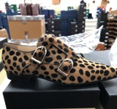 |  | CS8PE3 | CAVALLINO |  | 2 |  | 2 |  | 2 | 1 | 1 |  | 1 | 1 | 10 | € 269.00 | € 112.08
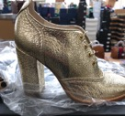 |  | CS8PC1 | PLATINO |  | 1 | 1 | 3 |  | 2 |  | 1 |  | 1 | 1 | 10 | € 249.00 | € 103.75
 |  | CS8PBJ | NERO |  |  |  | 2 |  | 3 |  | 3 |  | 1 | 1 | 10 | € 199.00 | € 82.92
 |  | CSPHG | NERO |  |  | 2 | 3 |  | 3 |  | 2 |  | 1 | 1 | 12 | € 189.00 | € 78.75
 |  | CS8PJA | BIANCO OTTICO |  | 2 | 3 | 5 |  | 4 |  | 3 |  | 2 | 1 | 20 | € 209.00 | € 87.08
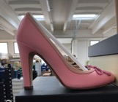 |  | CSPGL | BAMBOLA |  | 2 | 1 | 5 | 1 | 2 | 1 | 2 |  | 2 | 1 | 17 | € 229.00 | € 95.42
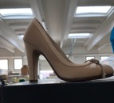 |  | CS8PGL | ECRU |  | 2 | 7 | 6 |  | 4 |  | 6 |  | 1 |  | 26 | € 229.00 | € 95.42
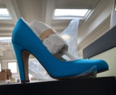 |  | CS8PGA | TURCHESE |  | 1 | 6 | 8 | 1 | 10 |  | 4 |  |  |  | 30 | € 249.00 | € 103.75
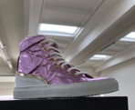 |  | CS8PNS | BAMBOLA |  | 1 | 4 | 4 |  |  |  | 4 |  | 2 | 1 | 16 | € 209.00 | € 87.08
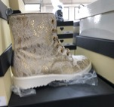 |  | CS8TBS | CHANTILLY |  | 1 |  | 2 |  | 3 |  | 3 |  | 1 | 1 | 11 | € 239.00 | € 99.58
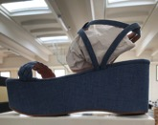 |  | CS8TCE | JEANS |  |  | 1 | 3 |  | 3 | 1 | 3 |  | 2 | 1 | 14 | € 209.00 | € 87.08
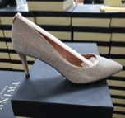 |  | CA6PBU | PLATINO |  |  | 2 | 6 |  | 5 |  | 5 | 1 | 2 |  | 21 | € 249.00 | € 103.75
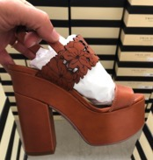 |  | CS7TSW | CUOIO |  |  | 8 | 10 |  | 5 |  | 2 |  |  |  | 25 | € 249.00 | € 103.75
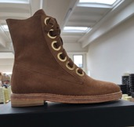 |  | CS8PN1 | ECRU |  | 1 | 2 | 5 |  | 4 |  |  |  | 1 | 1 | 14 | € 249.00 | € 103.75
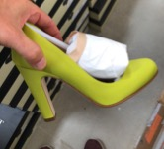 |  | CS8PGA | PISTACCHIO |  | 1 | 1 |  |  |  |  |  |  |  |  | 2 | € 249.00 | € 103.75
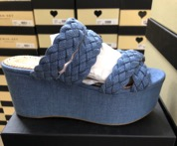 |  | CS8TCG | DENIM |  | 1 | 1 | 1 |  | 1 | 1 |  |  |  | 1 | 6 | € 209.00 | € 87.08
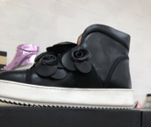 |  | CS8PJW | NERO |  | 1 | 1 | 4 |  | 4 |  | 2 |  | 2 |  | 14 | € 229.00 | € 95.42
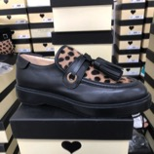 |  | CS8PBJ | NERO CAVALLINO |  |  |  |  | 1 | 1 | 1 | 1 |  | 3 | 2 | 9 | € 269.00 | € 112.08
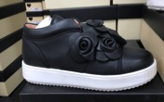 |  | CS8PJ3 | NERO |  | 1 |  | 1 |  | 4 |  | 4 |  | 2 | 2 | 14 | € 199.00 | € 82.92
 |  | CS8PG3 | BIANCO OTTICO |  |  | 2 | 1 |  | 3 |  | 8 |  | 2 | 3 | 19 | € 199.00 | € 82.92
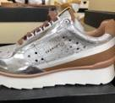 |  | CS8PKC | ARGENTO |  | 7 | 12 | 24 |  | 26 |  | 20 |  | 10 | 9 | 108 | € 194.00 | € 80.83
 |  | CS8PKC | PLATINO |  |  | 8 | 26 |  | 20 |  | 25 |  | 12 | 10 | 101 | € 194.00 | € 80.83
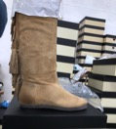 |  | CS8TAU | DUNE CHIARO |  | 1 | 1 | 3 |  | 3 |  |  |  | 2 | 1 | 11 | € 349.00 | € 145.42
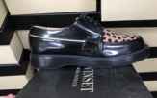 |  | CS8PBE | CAVALLINO |  | 1 | 1 | 3 | 1 | 1 |  |  |  |  | 1 | 8 | € 249.00 | € 103.75
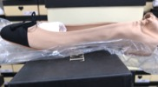 |  | CS8PHC | ECRU/NERO |  |  | 2 | 3 | 2 | 2 | 1 | 2 |  |  | 1 | 13 | € 184.00 | € 76.67
 |  | CS8PHC | ROSA |  | 2 | 3 | 4 | 3 | 4 |  | 2 |  | 1 |  | 19 | € 184.00 | € 76.67
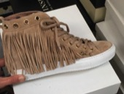 |  | CS8TAL | DUNE CHIARO |  |  | 2 | 2 |  | 2 |  | 2 |  |  |  | 8 | € 199.00 | € 82.92
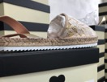 |  | CS8TE1 | CHANTILLY |  | 1 | 8 | 9 |  | 8 |  | 6 |  | 3 | 3 | 38 | € 169.00 | € 70.42
 |  | CS8PAN | NERO |  | 1 | 1 | 2 |  | 2 |  | 2 | 1 |  |  | 9 | € 210.00 | € 87.50
 |  | CS8TAW | DUNE CHIARO |  | 2 |  | 2 |  | 5 |  | 2 |  |  |  | 11 | € 319.00 | € 132.92
 | CONTROLLARE | CA7PJA | BIANCO OTTICO |  |  | 5 | 6 |  | 4 |  | 3 |  | 3 | 3 | 24 | € 189.00 | € 78.75
 |  | CS7TRQ | NUDO |  | 1 | 3 | 12 | 7 | 12 | 3 | 8 |  |  |  | 46 | € 189.00 | € 78.75
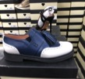 |  | CS7PGA | BLUE |  |  | 5 | 2 |  | 2 |  |  |  |  |  | 9 | € 219.00 | € 91.25
 |  | CS7PGY | NERO GLITTERATO |  |  | 1 |  |  | 2 |  |  |  | 1 | 1 | 5 | € 249.00 | € 103.75
 |  | CS8TCJ | DUNE CHIARO |  | 2 |  |  |  |  |  | 3 |  | 1 | 1 | 7 | € 219.00 | € 91.25
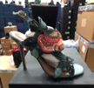 |  | CS7T1A | POLVERE |  | 1 |  |  | 1 |  |  | 3 |  |  |  | 5 | € 249.00 | € 103.75
 |  | CS7TVS | ARGENTO |  | 1 | 3 | 3 |  |  |  | 2 |  | 1 |  | 10 | € 249.00 | € 103.75
 |  | CS7PFC | NERO |  | 5 | 8 | 6 |  | 4 |  | 3 |  | 7 | 2 | 35 | € 249.00 | € 103.75
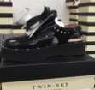 |  | CS7PFA | NERO |  | 5 | 8 | 8 |  | 15 |  | 15 |  | 10 | 6 | 67 | € 169.00 | € 70.42
 |  | CA7PAW | NERO |  |  | 1 | 1 |  | 1 |  | 1 |  | 1 | 1 | 6 | € 229.00 | € 95.42
 |  | CS8TE1 | CHANTILLY |  |  |  | 10 |  |  |  | 10 |  | 4 | 6 | 30 | € 169.00 | € 70.42
SNEAKERS |  | CS8PN1 | ECRU |  |  |  |  |  |  |  | 7 |  | 2 | 4 | 13 | € 189.00 | € 78.75
SNEAKERS |  | CS8PJ7 | BIANCO |  | 2 | 3 | 14 |  | 27 |  | 8 |  | 4 | 8 | 66 | € 189.00 | € 78.75

 |  |  |  |  |  |  |  |  |  |  |  |  |  |  | 3,207

